Pickem Board
 | Masters Pool It All Comes Down To Sunday |  |  |  |  |  |  |  |  |  |  |  |  |  |  |  |  |  |  |  |  |  |  |  |  |  |  |  |  |  |  |  |  |  |  |  |  |  |  |  |  |  |  |  |  |  |  |  | @dropdown

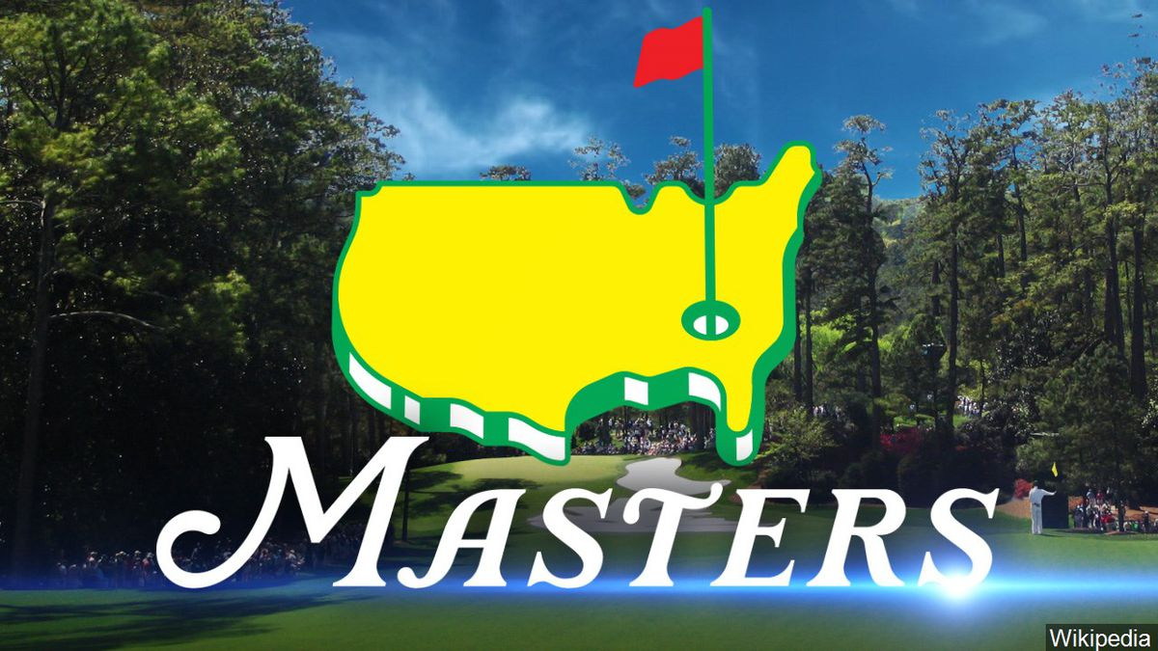 | Shankapotamus ⛳️ | 9 O'clock on the 9th Green | Better Than Most | Maher | Wish Louis was Playing | Putts n' Stuff | Scottie Style | Back to back to back | And33znutz | Magnolia Lane | Shooter's Turn | It's all in the hips | Member's Bounce | Nova | Vandegriff | Good Good Good | Kyle Beeler | Faldo & Barker | Kroll's Holes | The Putt Pirates | Bizzle Bone 🦴 | Rob Won | Rob Won Two | Only Boss That Has Won this Before | Johnson Wagner | ParTee Animals | Hosel Rocket | Putt Blugs | Baseball Hacks Only | Rocky | <Team Name Here> | <Team Name Here> | <Team Name Here> | <Team Name Here> | <Team Name Here> | <Team Name Here> | <Team Name Here> | <Team Name Here> | <Team Name Here> | <Team Name Here> | <Team Name Here> | <Team Name Here> | <Team Name Here> | <Team Name Here> | <Team Name Here> | <Team Name Here> | <Team Name Here> | <Team Name Here>
Tier 1 | Rory McIlroy | Scottie Scheffler | Scottie Scheffler | Scottie Scheffler | Collin Morikawa | Collin Morikawa | Scottie Scheffler | Scottie Scheffler | Rory McIlroy | Scottie Scheffler | Rory McIlroy | Ludvig Åberg | Rory McIlroy | Scottie Scheffler | Scottie Scheffler | Scottie Scheffler | Collin Morikawa | Jon Rahm | Bryson DeChambeau | Xander Schauffele | Collin Morikawa | Xander Schauffele | Ludvig Åberg | Joaquín Niemann | Rory McIlroy | Rory McIlroy | Rory McIlroy | Rory McIlroy | Rory McIlroy | Rory McIlroy
Tier 2 | Jordan Spieth | Tommy Fleetwood | Viktor Hovland | Brooks Koepka | Shane Lowry | Patrick Cantlay | Shane Lowry | Jordan Spieth | Russell Henley | Brooks Koepka | Shane Lowry | Patrick Cantlay | Tommy Fleetwood | Brooks Koepka | Akshay Bhatia | Brooks Koepka | Robert MacIntyre | Brooks Koepka | Shane Lowry | Shane Lowry | Viktor Hovland | Viktor Hovland | Brooks Koepka | Will Zalatoris | Brooks Koepka | Brooks Koepka | Tommy Fleetwood | Shane Lowry | Brooks Koepka | Viktor Hovland
Tier 3 | Sahith Theegala | Sepp Straka | Sam Burns | Sergio Garcia | Justin Rose | Dustin Johnson | Sergio Garcia | Maverick McNealy | Tony Finau | Corey Conners | Maverick McNealy | Patrick Reed | Corey Conners | Sam Burns | Billy Horschel | Tony Finau | Corey Conners | Wyndham Clark | Keegan Bradley | Jason Day | Justin Rose | Jason Day | Sahith Theegala | Tony Finau | Justin Rose | Sergio Garcia | Sepp Straka | Maverick McNealy | Sepp Straka | Justin Rose
Tier 4 | Cam Davis | Thomas Detry | Cameron Young | Danny Willett | Michael Kim | Cameron Young | Denny McCarthy | Cameron Young | J.T. Poston | Denny McCarthy | Nicolai Højgaard | Cameron Young | Nick Taylor | Max Homa | Cameron Young | Matt Mccarty | Lucas Glover | Cameron Young | Lucas Glover | J.T. Poston | Max Homa | Max Homa | Cam Davis | Nicolai Højgaard | Nicolai Højgaard | Michael Kim | Lucas Glover | Stephan Jaeger | Denny McCarthy | Max Homa
Payments: | Paid | Paid | Paid | Paid | Paid | Paid | Paid | Paid | Paid | Paid | Paid | Paid | Paid | Paid | Paid | Paid | Paid | Paid | Paid | Paid | Paid | Paid | Paid | Paid | Paid | Paid | Paid | Paid | Paid | Paid
Name | Brett Dutcher | Nate Feldpausch | Dave Phillips | John Maher | Jake Wester | Nick Ranns | John Sinacola | Troy | Andy Semanson | Steve Wester | James Dutcher | Duane Brown | Patrick Doyle | Joe N | Aaron Vandegriff | Kyle B. | Kyle B. | Nick W | Nick K | Evan Timm | Mike Bielski | Boss Team 1 | Boss Team 2 | Becca | Mitch | John L. | Weasel | OB | Ganci | Rocky | <Your Name Here> | <Your Name Here> | <Your Name Here> | <Your Name Here> | <Your Name Here> | <Your Name Here> | <Your Name Here> | <Your Name Here> | <Your Name Here> | <Your Name Here> | <Your Name Here> | <Your Name Here> | <Your Name Here> | <Your Name Here> | <Your Name Here> | <Your Name Here> | <Your Name Here> | <Your Name Here>

***Draft Board closes by the first Tee time Thursday

